W-2 Request
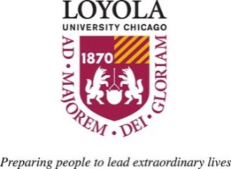
 |  |  |  | REQUEST FOR IRS FORM W-2
 |  |  | This form is intended for current/former employees of Loyola University Chicago only. Current/former employees of Loyola University Health System/Trinity should contact the LUHS Payroll Department at payrollservices@luhs.org for assistance.

Employee Full Name |  |  |  |  |  |  |  |  |  | Last 4 digits of SSN
Street
City |  |  |  |  |  | State |  |  | Zip
Phone Number |  |  |  |  | Email |  |  |  |  |  | Mail
University Department
 |  |  |  |  |  |  |  |  |  |  | Pick-up in Payroll Office
Re-issue my W-2 Tax Form for the tax year(s) ending: |  |  |  |  |  |  |  |  |  |  | Email

2023 | 2022 | 2021 | 2020 | 2019 | 2018 | 2017 | 2016 | 2015 | 2014 | 2013 | Never Received
 |  |  |  |  |  |  |  |  |  |  | Misplaced or Destroyed
Delivery option: |  |  |  |  |  |  |  |  |  |  | Other (explain below)

Reason for request:

 | If other, explain below:

Signature |  |  |  |  |  |  |  |  |  | Date of Request

Submit completed form to: payroll@luc.edu

Note: Please allow 5-7 working days after receipt for your request to be processed. W-2s not
picked up within 1 month will be destroyed.

FOR PAYROLL DEPT USE ONLY
Employee ID #
Date W-2 Reissued |  |  |  |  |  |  | Processed by

Revised January 2024

